Documentation
This worksheet is not machine readable. Just put info/documentation as you see fit.

Assumptions:
We assume that the population is closed (no immigration, births or natural deaths)
However we include disease induced deaths which is assumed to be the only death process in operation.

++++++++++++++++++++++++++++++++++++++++++++++++++++++++++++++++++++++++++
 | Define the components/compartments/boxes
++++++++++++++++++++++++++++++++++++++++++++++++++++++++++++++++++++++++++

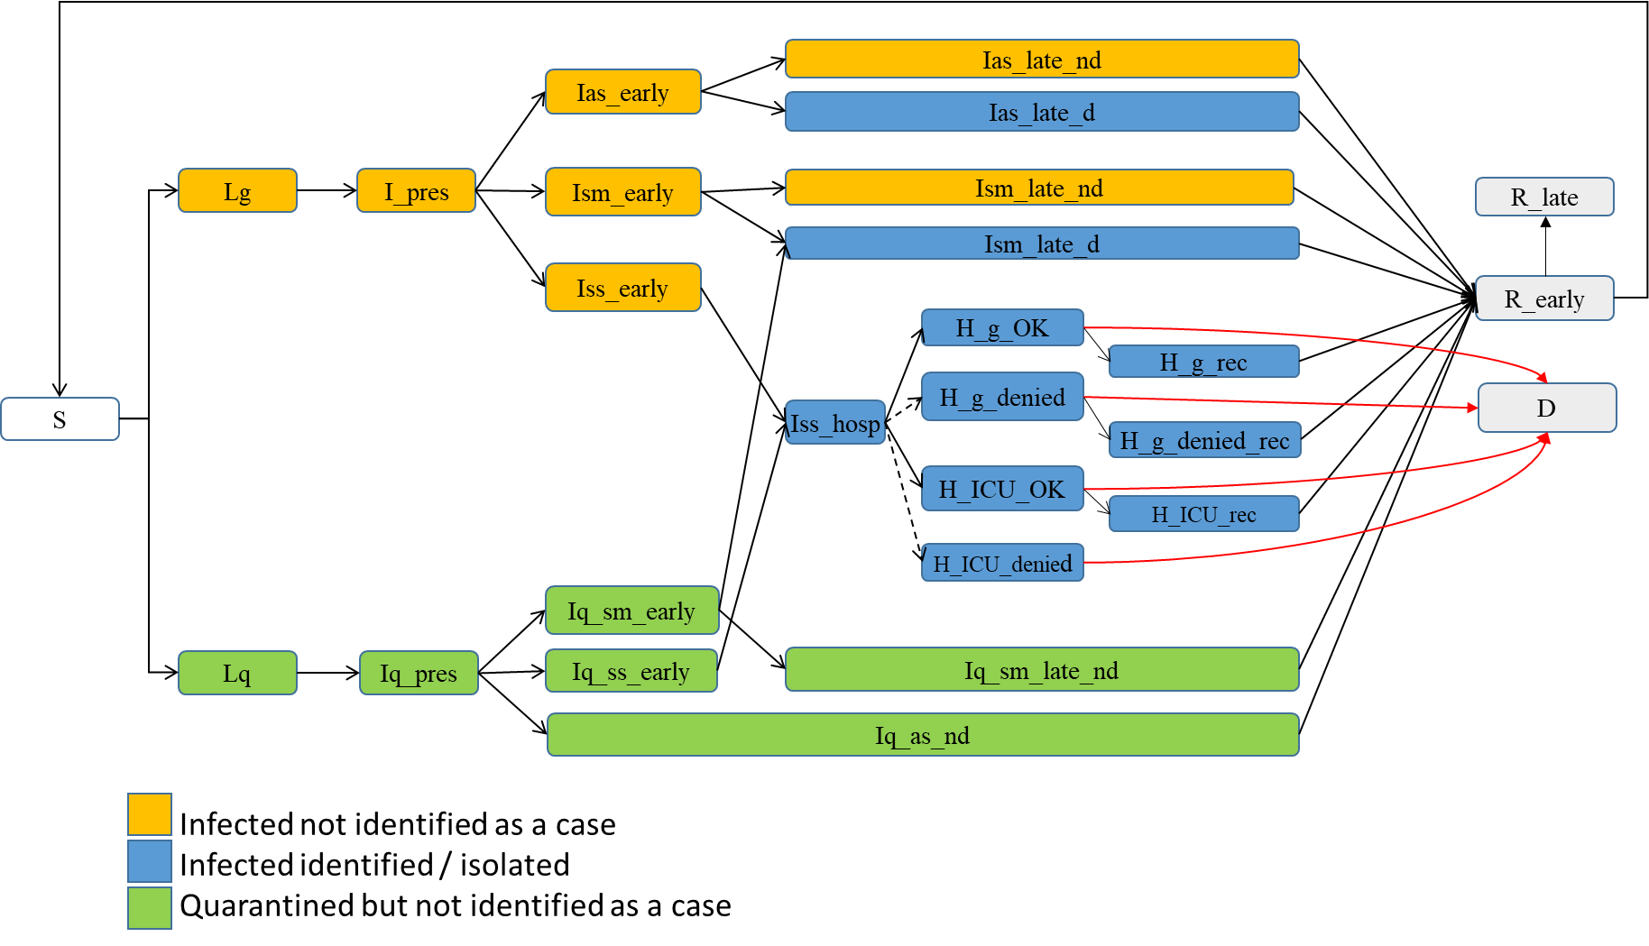
 | State | Definitions
 | S | Susceptible
 | Lg | Latent in the general population (not in quarantine)
 | Lq | Latent in quarantine
 | I_pres | Infected pre-symptomatic in the general population (first part of infectious period for asymptomatic)
 | Iq_pres | Infected pre-symptomatic in quarantine (and first part of infectious period for asymptomatic)
 | Ias_early | Infectious asymptomatic early (before detection/isolation)
 | Ism_early | Infectious with mild symptoms (before detection/isolation)
 | Iss_early | Infectious with severe symptoms (before detection/isolation)
 | Iq_sm_early | Infectious quarantined with mild symptoms (before detection/isolation)
 | Iq_ss_early | Infectious quarantined with severe symptoms (before detection/isolation)
 | Iq_as_nd | Infectious quarantined asymptomatic, not detected
 | Ias_late_nd | Infectious asymptomatic (remain asymptomatic and are not detected)
 | Ias_late_d | Infectious asymptomatic (remain asymptomatic and are detected)
 | Ism_late_d | Infectious with mild symptoms after detection/isolation
 | Ism_late_nd | Infectious with mild symptoms that remain undetected/isolated
 | Iq_sm_late_nd | Infectious with mild symptoms which remain in quarantine while still undetected
 | Iss_hosp | Infectious with severe symptoms who are in hospital for sorting into either general hospital, ICU, or denied access
 | H_g_OK | Infectious in hospital but not in ICU
 | H_ICU_OK | Infectious in hospital in ICU
 | H_g_denied | Infectious denied hospital access because of insufficient/overwhelmed capacity
 | H_ICU_denied | Infectious in hospital, requiring ICU but denied ICU access because of insufficient/overwhelmed capacity
 | H_g_rec | Infectious still recovering in hospital general care (to account for the longer stay compared to those dying in hospital)
 | H_ICU_rec | Infectious still recovering in hospital ICU (to account for the longer stay compared to those dying in ICU)
 | H_g_denied_rec | Infectious still recovering outside hospital (to account for the longer stay compared to those dying outside hospital)
 | R_early | Individuals recovered but not necessarily permanently due to possible waning immunity (a proportion of individual in R_early will experience waning immunity)
 | R | Recovered (permanent)
 | D | Dead (removed)

++++++++++++++++++++++++++++++++++++++++++++++++++++++++++++++++++++++++++
 | Define the parameter values
++++++++++++++++++++++++++++++++++++++++++++++++++++++++++++++++++++++++++

 | Parameter name | Definition
 | beta | Probability of transmission when contact made with infectious person
 | lambda | Proportion of exposed to detected infectious who are traced and quarantined
 |  | (contact tracing/quarantine)
 | Cgg | Number of daily contacts between an individual present in the general population and another individual also in the general population (can be equal to Cgg_early or modified to account for physical/social distancing and closures at different times over the simulation)
 | Cgq | Number of daily contacts between an individual in quarantine and another individual in the general population (can be equal to Cgq_early or modified to account for physical/social distancing and closures at different time over the simulation).
 | Cgg_early | Initial number of daily contacts between two individuals from the general population as derived from Prem et al. 2017 (see ref below table)
 | sigma | Latent period (days)
 | delta | Proportion of presymptomatic infectious who will be identified (or detected).
 | alpha | Proportion of symptomatic infected who develop severe symptoms
 | tau | Proportion of infectious that are asymptomatic after the duration of the presymptomatic infectious period
 | t_pres | Period of time between onset of infectiousness and onset of symptoms in those developing symptoms OR first infectious period for asymptomatic
 | tsm_early | Period of time between onset of symptoms for mild cases or asymptomatic and detection
 | tss_early | Period of time between onset of symptoms for severe cases or asymptomatic and detection
 | tsm_late | Period of time between the possibility of being detected and end of infectious period for asymptomatic and mild cases
 | tsm | Total period of time for the symptomatic period
 | t_late_q_sm | Period of time between the possibility of being detected and end of quarantine for mild cases
 | t_late_q_as | Period of time between end of theoretical presymptomatic infectious period and end of quarantine for asymptomatic
 | p_ICU | Proportion of hospitalized cases who require ICU in hospital
 | t_sorting | Period of time for sorting severe cases in hospital (before general service or ICU)
 | m_g | Mortality rate for severe cases in hospital that do not require ICU or a ventilator (general)
 | m_ICU | Mortality rate for severe cases in hospital ICU
 | t_hr_early | Period of time between first day in hospital (after sorting) and death, for dead cases.
 | th_late | Period of time between second period of hospitalization and recovery, for recovered cases.
 | m_g_denied | Mortality rate for severe cases dying at home because they are not able to access hospital care
 | m_ICU | Mortality rate for severe cases dying in hospital because they are not able to access ICU
 | ICU capacity | Maximum ICU capacity
 | w | Percent of recovered who loose their immunity
 | t_im | Duration of immunity for recovered

Note: | Cgg_multiplier | Coefficient that can be used to modify the value of Cgg by a certain amount to approximate control measures. It is a multiplier of the contact within and between age groups (by default set to 1, ie no effect).

 | Ref: Prem K, Cook ARA, Jit M. Projecting social contact matrices in 152 countries using contact surveys and demographic data. PLoS Comput Biol. 2017;13. doi:10.1371/journal.pcbi.1005697

